Blad1
Picture | Item | EAN | QTY
 | Philips LEDclassic 40 W, E14, Warm White (2700K) | 8718696575277 | 2,273
 | LED Classic 42W R80 E27 WW ND SRT4 | 8718696714423 | 1,956
 | Spot – LED light (Warm White, White, A +, 220 V, 30 mA, 220 – 240) | 8718696518113 | 244
 | LED Spot A+ 35W GU10 2700K 2BC | 8718291789970 | 2,247
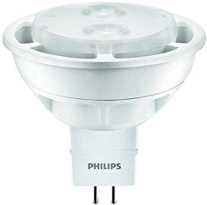 | Philips LED 20W, EEK A+, GU5.3, Warm White (2700 Kelvin) | 8718696475782 | 2,279
 | Philips LEDclassic 25 W, E14, Warm White (2700K) | 8718696573891 | 2,249
 | Philips LED, LED-light Matt, 7W (60 W) | 8718696472187 | 1,823
 | LED 40W E27 WW 230V R63 36D ND SRT4 | 8718696578551 | 1,216
 | LED 60W E14 WW 230V R50 36D DIM SRT4 | 8718696578476 | 988
 | Philips LED 25W, EEK A+, E14, Warm White | 8718696454718 | 1,251
 | Philips LED 35W, EEK A+, GU10, White (3000 Kelvin) | 8718696483763 | 1,220
 | Philips LED 60 W, EEK A+, E27, Warm White (2700 Kelvin) | 8718291717041 | 113
 | Philips LED 25W, EEK A+, E27, Warm White (2700 Kelvin) | 8718696454756 | 918
 | LED 10W G4 WW 12V ND SRT4 | 8718696578100 | 409
 | Philips LED 40 W, E14, Nartual White (4000K) | 8718696543580 | 515
 | Philips LED 40 W, EEK A+, E27, Warm White (2700 Kelvin) | 8718696515792 | 429
 | Philips LEDclassic 40 W, EEK A++, E27, Warm White (2700 Kelvin) | 8718696517536 | 392
 | Philips Bulb 8718696518113 – LED light (Warm White, White, A +, 220 V, 30 mA, 220 – 240) | 8718696518113 | 244
 | Philips LEDclassic 40 W, E14, Warm White (2700K) | 8718696587317 | 237
 | Philips LEDclassic 40W, E14, Warm White (2700 Kelvin), 470 Lumen, Candle, Double Pack | 8718696751367 | 112
 | Philips LEDclassic 25W, E14, Warm White (2700 Kelvin), 250 Lumen | 8718696517574 | 103
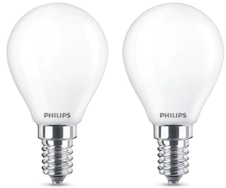 | Philips LEDclassic 40W, E14, Warm White (2700 Kelvin), 470 Lumen, Double Pack | 8718696751411 | 149
 | Philips LED light E14 (40 Watt) E27 2700 Kelvin | 8718291763895 | 60
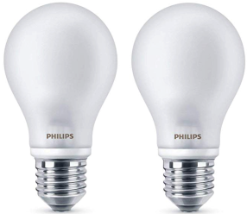 | Philips LEDclassic light 40 W, E27, Warm White (2700K), 470 Lumen, Double Pack | 8718696422328 | 51
 | Philips LED 25W, EEK A+, E14, Warm White (2700 Kelvin), 250 Lumen | 8718696454695 | 46
 |  |  | 21,524

